6-8.Ingre&Nutrition&Allergens
6.Product Composition
Ingredients |  | Components |  | % Composition | Supplier Names |  |  | Country of Origin | Genetically modified?
(Including E numbers and *functions for additives) |  | (if ingredient is composed of several sub-ingredients) |  | (Please list the ingredients in descending order) | (Please list all suppliers per ingredient)
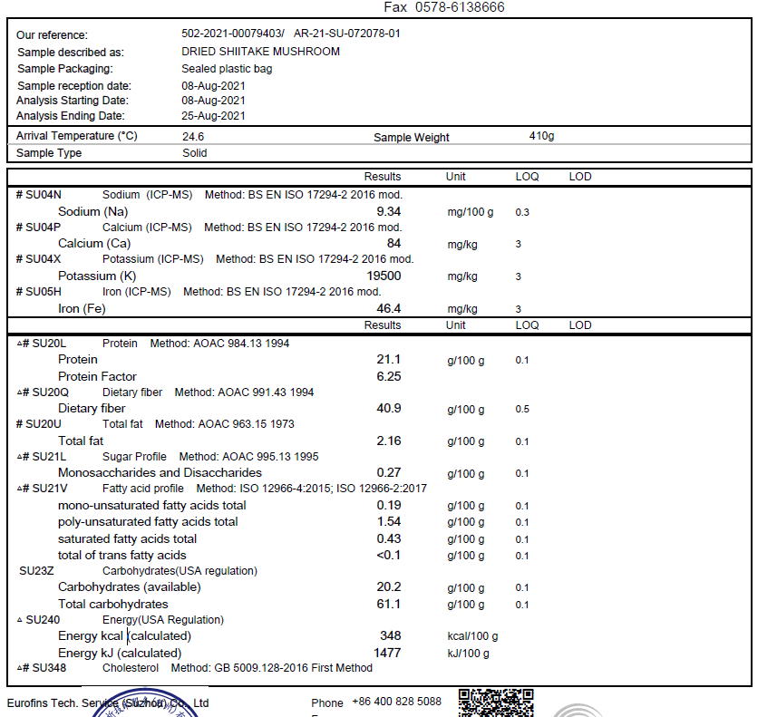
Shiitake Mushroom |  |  |  | 100.00% | TIANHE AGRICULTURAL GROUP |  |  | China | NO
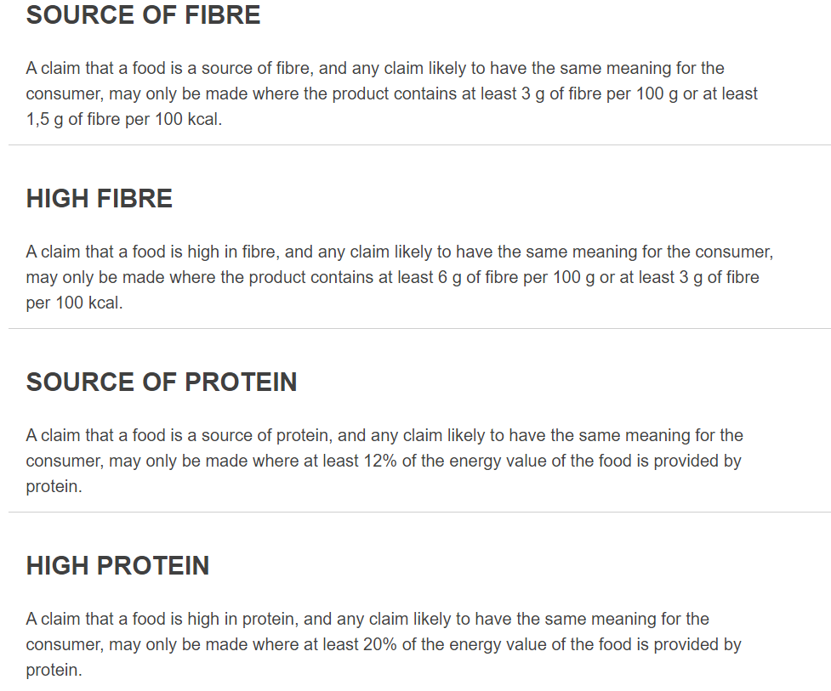
 |  |  | Total | 100.00%
*Please choose the functional of food additives from below: sweeteners / colours / preservatives / antioxidants / carriers / acids / acidity regulators / anti-caking agents / anti-foaming agents / bulking agents / bulking agents / emulsifiers / emulsifying salts / firming agents / flavor enhancers / foaming agents / gelling agents / glazing agents / humectants / modified starches / packaging gases / propellants / raising agents / sequestrants / stabilisers / thickeners / flour treatment agents / contrast enhancers
Are Genetically Modified Organisms handled on manufacturing site? |  |  |  | NO
Is GMO free certificate available for the ingredients at GMO risk? |  |  |  | NO
7.Nutritional Information |  | * Not Mandatory
Typical Values |  | Per 100g/100ml
Energy (Kcal/KJ) |  | 266kcal /1 115 kJ
Fat |  | 2.16 |  | 19.44
of which saturate fat |  | 0.43
of which monounsaturated fat* |  |  |  | 0
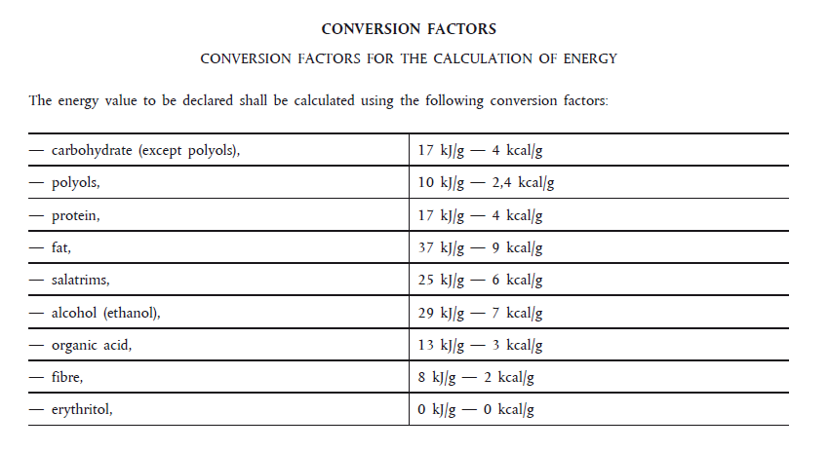
of which, polyunsaturated fat* |  |  |  | 0
Carbohydrate |  | 20.2 |  | 80.8
of which sugar |  | 0.27
of which Polyols* |  |  |  | 0
of which starch* |  |  |  | 0
Fibre* |  | 40.9 |  | 81.8
Protein |  | 21.1 |  | 84.4 | 32%
Salt |  | 0.02335 |  | 0.21015
NOTE: Must attach lab analyses report. Above number match with 500g Emma Basic Nutrition instead of a test result of 08082021 as screenshot |  |  |  | 266.65015
8.The fourteen Allergens – Regulation (EU) No 1169/2011
 | Potential Component |  |  | Product contains? | In which ingredient? | Handled on manufacturing site? | In which material? | Measures to prevent Cross-contamination | Precautionary allergen labelling (May Contain statement) needed?
 | *Please tick in the box |  |  | Yes/No |  | Yes/No |  |  | Yes/No
01 | Cereals containing gluten including wheat, Rye, Barley, Oats, Spelt & Khorasan and products thereof: |  |  | No | N/A | No | N/A | N/A | No
02 | Crustaceans and products thereof: |  |  | No | N/A | No | N/A | N/A | No
03 | Fish and products thereof: |  |  | No | N/A | No | N/A | N/A | No
04 | Molluscs and products thereof: |  |  | No | N/A | No | N/A | N/A | No
05 | Peanuts and products thereof: |  |  | No | N/A | No | N/A | N/A | No
06 | Soybeans and products thereof: |  |  | No | N/A | No | N/A | N/A | No
07 | Milk and products thereof: |  |  | No | N/A | No | N/A | N/A | No
08 | Nuts and products thereof: |  |  | No | N/A | No | N/A | N/A | No
09 | Celery and products thereof: |  |  | No | N/A | No | N/A | N/A | No
10 | Mustard and products thereof: |  |  | No | N/A | No | N/A | N/A | No
11 | Sesame seeds and products thereof: |  |  | No | N/A | No | N/A | N/A | No
12 | Sulphur Dioxide or Sulphites: |  |  | No | N/A | No | N/A | N/A | Yes
13 | Lupin and products thereof: |  |  | No | N/A | No | N/A | N/A | No
14 | Egg and products thereof: |  |  | No | N/A | No | N/A | N/A | No
Allergen : May Contain sulphur dioxide

9-13.Safety Quality
9.Pesticide residues & Heavy Metal Standard
Test Item | EU MRL standard | Country of Origin MRL Standard | Test Frequency | 14/07/2025 Lab
Pesticide | Comply to REGULATION (EC) No 396/2005 MRL | GB2763 MRL/GB7096-2014 National Food Safety Standard - Edible Fungi and Their Products | Every Batch | Result /Dry weight
Lead (Pb) | ≤0.30 mg/kg (wet weight) | ≤1.0 (mg/kg) | Every Batch | ND
Cadmium(Cd) | ≤0.15 mg/kg (wet weight) | ≤0.5 (mg/kg) (wet weight) | Every Batch | 0.626mg/kg
Mercury | 0.05mg/kg (wet weight) | ≤0.1 (mg/kg) | Every Batch | 0.003mg
Inorganic Arsenic | N/A | ≤0.5 (mg/kg),as inorganic arsenic | Every Batch | 0.252mg
Moisture | N/A | ≤13% | Every Batch | 10.20%
Sulpher Dioxide | 100mg/kg | 50mg/kg | Every Batch | 10mg/kg
Pesticide and heavy metal EU&GB MRL refer to wet product weight
10.Acrylamide
Are Products at risk of acrylamide? |  |  |  | No
If Yes. What mitigation measures are in place to manage acrylamide levels with the food? |  |  |  | N/A
11.Radioactivity
Has the product/ingredient been irradiated? |  |  |  | No
Is the product/ingredient subject to potential radioactive cross contamination? | Yes/No | Yes/No | Yes/No | No
If yes, what controls in place |  |  |  | N/A
Has the product/ingredient been imported into the UK from a country that has high levels of radioactivity? | Yes/No | Yes/No | Yes/No | No
If Yes, how is this controlled and what checks are carried out? |  |  |  | N/A
12.Microbiology Standards
Micro-organisms | EU satisfactory in ready to eat | Contry of Origin Standard | Manufacturer Standard | Test Frequency
TVC | <104 | N/A | N/A | N/A
Escherichia coli | <20 | N/A | N/A | N/A
Enterobacteriaceae | <100 | N/A | N/A | N/A
Listeria spp | Not Detected | N/A | N/A | N/A
Listeria monocytogenes | Not Detected | N/A | N/A | N/A
Campylobacter spp. | Not Detected | N/A | N/A | N/A
Escherichia coli O157 | Not Detected | N/A | N/A | N/A
Salmonella spp. | Not Detected | N/A | N/A | N/A
Shigella spp. | Not Detected | N/A | N/A | N/A
Vibrio cholera (O1 and O139) | Not Detected | N/A | N/A | N/A
Vibrio parahaemolyticus | <20 | N/A | N/A | N/A
Bacillus cereus | <103 | N/A | N/A | N/A
Bacillus spp. | <103 | N/A | N/A | N/A
Clostridium perfringens | <10 | N/A | N/A | N/A
Staphylococcus aureus and other coagulase-positive staphylococci | <20 | N/A | N/A | N/A
13.Acceptance and Rejection standard
Standard Product Photo & Description | Rejected Product Photo& Description
IE. Grading, Sizing, Appearance, Flavor/taste, Texture, Colour, smell | IE. Grading, Sizing, Appearance, Flavor/taste, Texture, Colour, smell
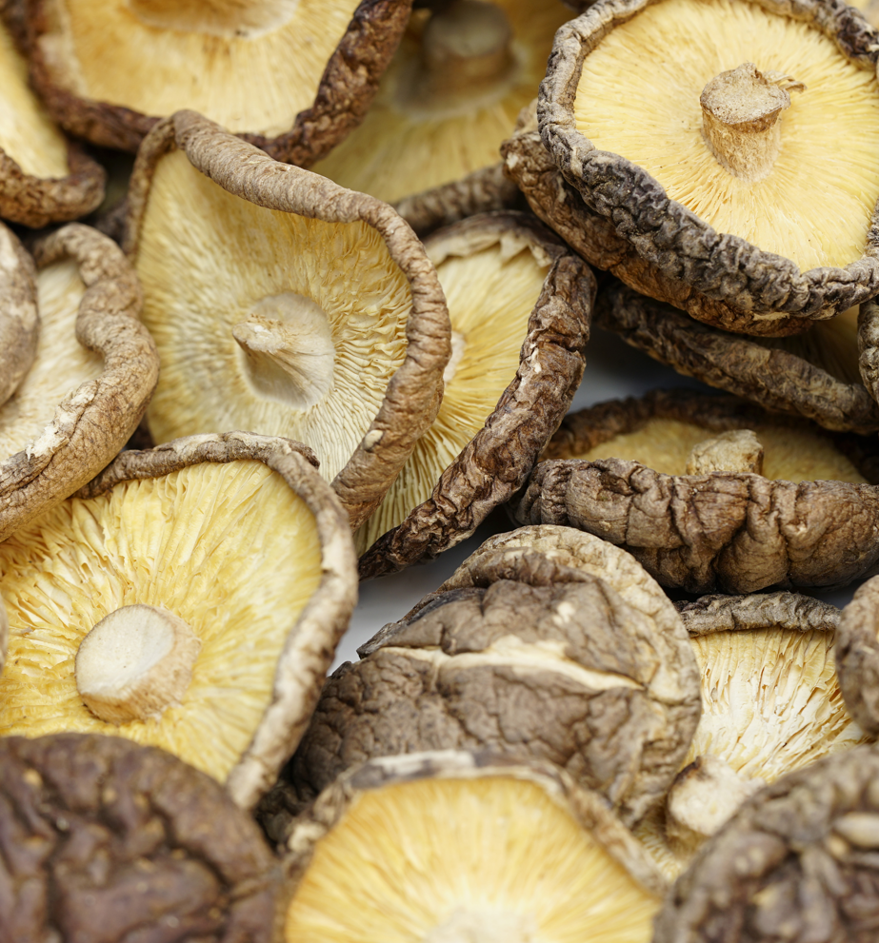 | 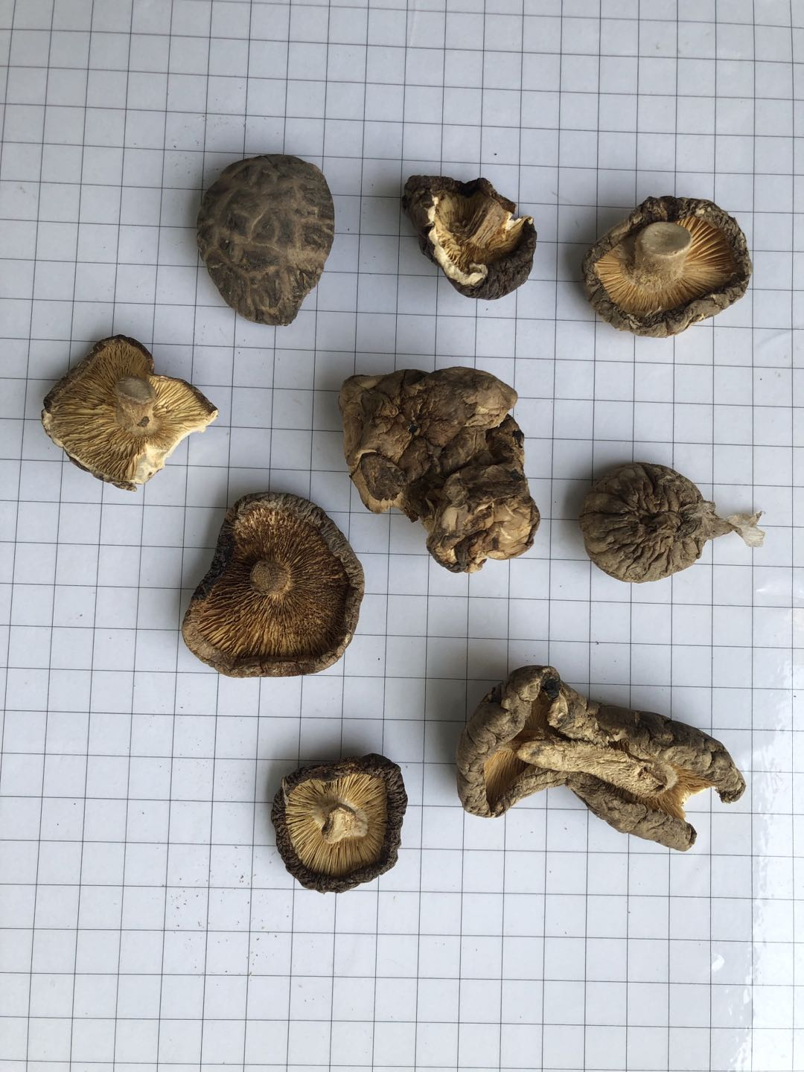
Appearance: The shape is round and uniform, the diameter is 4-6CM, and the handle length is within 3cm. Colour: Mushroom cap, gray, dark brown or black The bottom color of the mushroom is light yellow, or slightly white Flavor/Taste: Natural mushroom flavor Aroma: No mildew, Inherent odor of dried mushroom, no musty or rotten smell Dryness is within 12% Texture:N/A Diameter :40-60mm Thickness:>5mm Grown：浙江丽水龙泉 Lishui City, Zhejiang Province & 河南南阳 Nanyang City. Henan Province Produced：浙江丽水龙泉 Lishui City, Zhejiang Province | Appearance: Non-uniform size, Uncut root, Irregular shape, many abnormal mushrooms, serious damage to the mushroom body The color of the mushroom cap is gray and old, not fresh. The bottom color of the mushroom is black. Flavor/Taste: unusual taste Aroma: It smells mildewy. Breakage、Mushroom handle too long There are foreign objects such as plastic film on the mushroom body Texture:N/A Diameter :<40mm Thickness:＜5mm

14-16.Quantity&packaging info
14.Quantity Attributes
 | Unit (g) | Case (kg)
Unit Drained Weight (If Product contains liquid) | N/A | N/A
Net Weight | 38 | 0.456
Gross Weight | 65 | 1.28
Is the product packed in a Protective atmosphere? (if yes, indicate the composition on gases used if applicable) |  |  | No
Is the product vacuum packed? |  |  | No
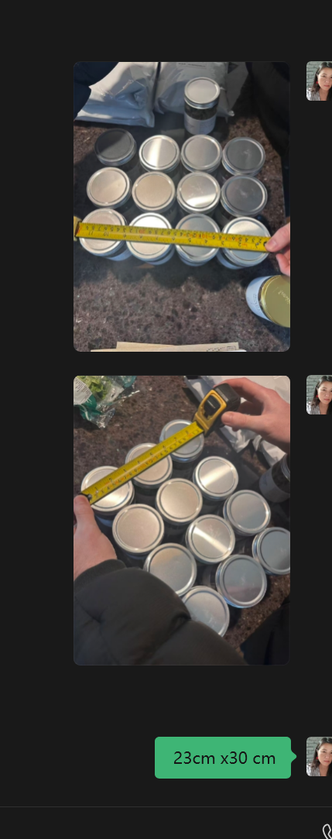
Primary Package Plastic Material Comply with Commission Regulation (EU) No 10/2011 |  |  | Yes
15.Packaging Weight Dimensions
 | Description/Color | Materials *please indicate the plastic material from below 01-07 | Weight (g) | Dimensions (mm)

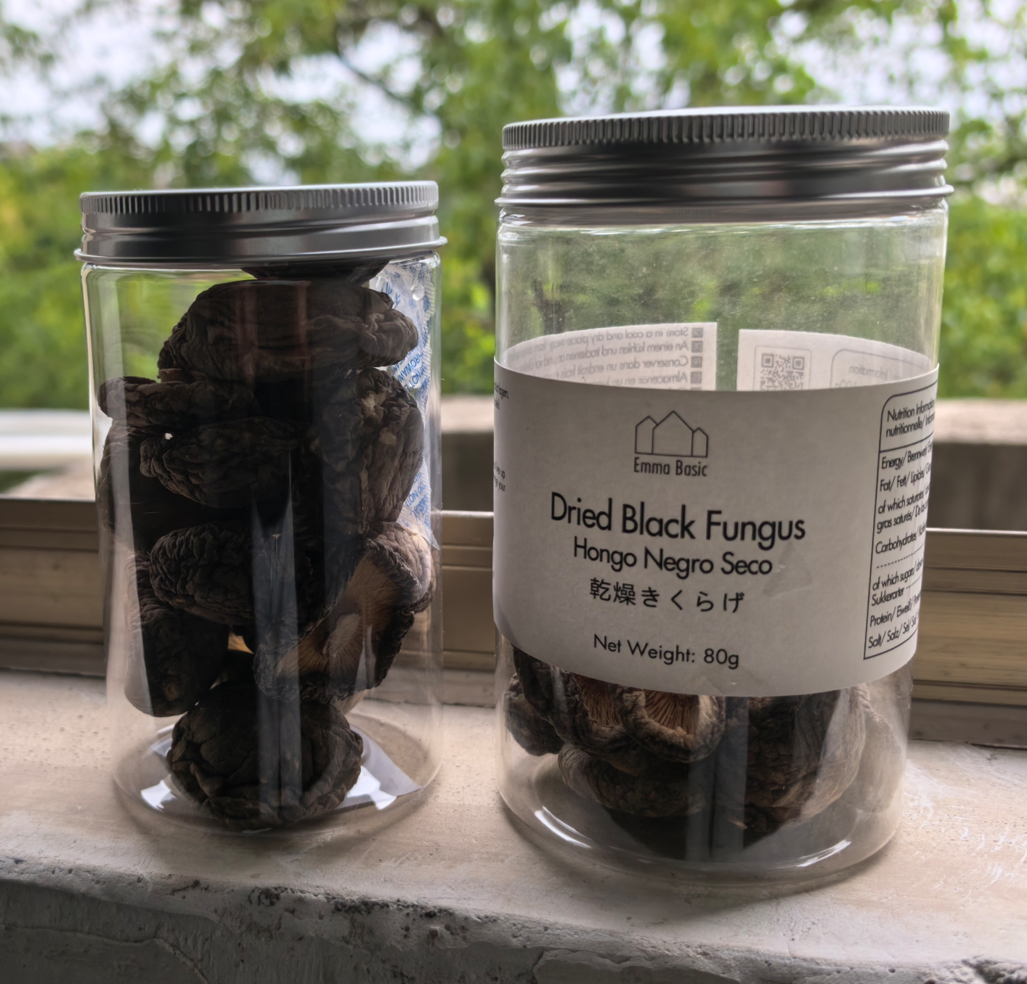
Primary： | Plastic Bottle with aluminum lid | PETE | 27 | D 70 |  | this is Whittard Size
 |  |  |  | H 120
 |  |  |  |  | Emma's measure on 07012026 old jar | if whitard jar | therefore Emma use these for pallet configration
Secondary: | Carton box | Carton | 500 | Length 290 | 310 | 280 | 300
 |  |  |  | Width 220 | 230 | 210 | 200
 |  |  |  | Height 130 | 130 | 120 | 120

16.Pallet Configuration
 | EU Pallet Configuration (0.8m x 1.2m) |  | UK Pallet Configuration (1.0m x 1.2m)
Cases per layer | 14 |  | 17
Number of layers | 13 |  | 13
CTNs/Pallet | 182 |  | 221
Pallet Height(M) | 1.69 |  | 1.69
Pallet Height incl pallet (M) | 1.835 |  | 1.835
Pallet Weight(kg) | 232.96 |  | 282.88
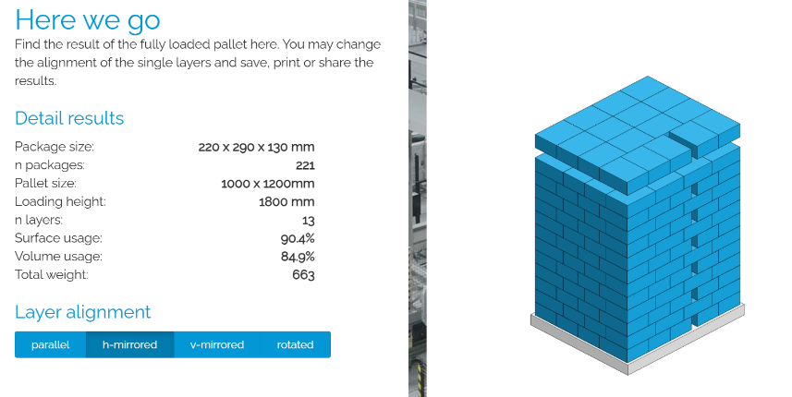
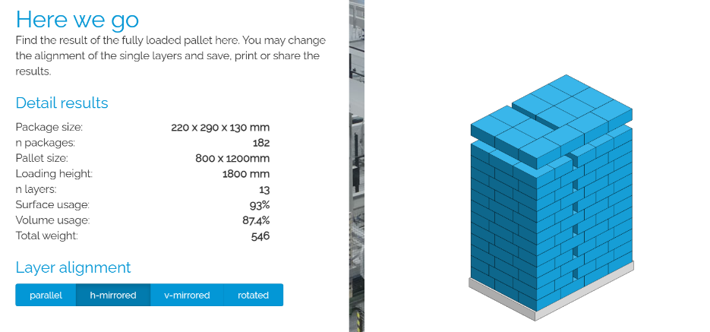 Pallet Top-View
 | *pallet height must lower than 1.85m

17-20.HACCP,Artwork&SpecAuthor.
17.Process Flow Chart- (showing all CCPs)
Please provide in the form a Critical Control Point (CCP), a description of the process/packing operations including processing times tempuratures where applicable and in process Safery Control Checks (CCP Summary) and Quality Checks.
Receive raw material→ Store row material→ Soaking → Root cutting → Cleaning machine → Bubble cleaning→ Washing → Drying on the shelf CCP1 → Selection check→ Storage→ Selection check→ Packing→ Metal detectionCCP2→Boxing→Warehousing

18.Critical Control Points
CCP | Control Measure |  | Critical Limit | Monitoring Frequency
CCP1 | Moisture control |  | ≤13% | Every batch
CCP2 | Metal detect |  | Fe: ≤1.0mm; Nfe: ≤1.5mm; Sus: ≤1.5mm | All bottles, metal detector will be checked every hour.
19.Artwork
Inner Label / Package Design artwork |  | Outer Label / Package Design artwork
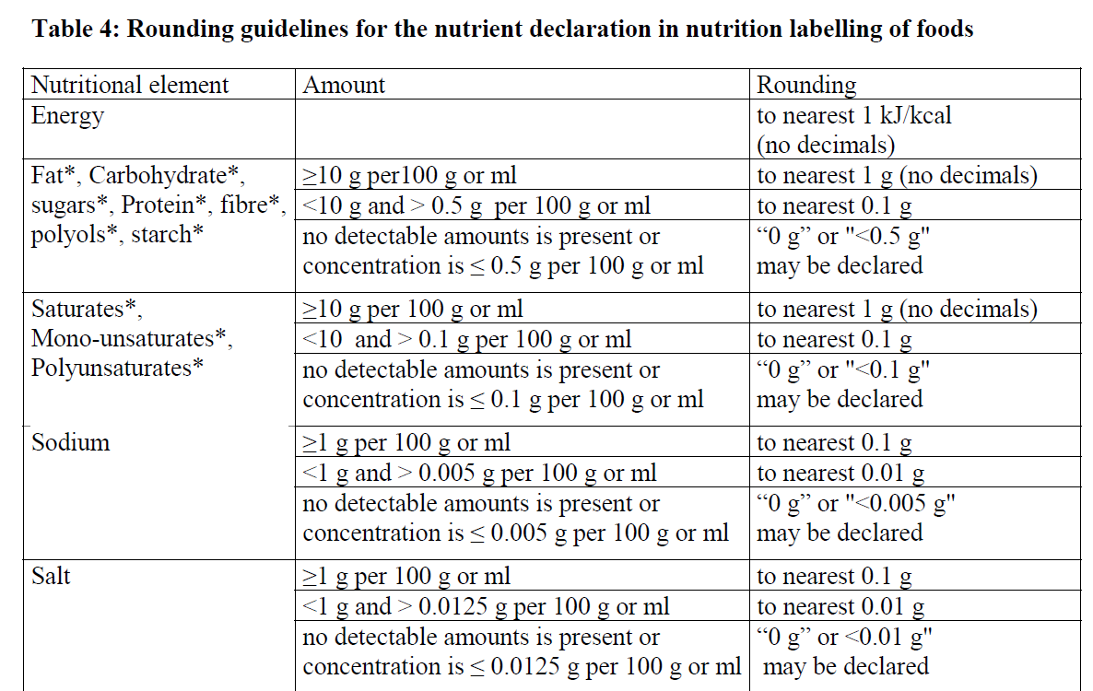

20.Packaging Photos
Finished Product with Primary package | Outer Case (Secondary) |  | Tertiary |  | 38 | 100
 |  |  | N/A |  | 8.018 | 21.1
Specification Authorization |  |  |  |  | not significant, therefore use high protein
1.Product to be supplied in accordance with this agreed specification. No changes are to be made without prior knowledge and prior written agreement of The Basic Ingredients Ltd. 2.The contents of this specification are confidential and should not be disclosed to a third party without a written approval of The Basic Ingredients Ltd. 3. Product must be fit for purpose of the nature and substance stated in this specification and free from foreign body. 4. The raw materials used in this product fulfil the requirements described in the Regulation 1881/2006/EC related to contaminants in foodstuffs, the Regulation 396/2005/EC related to pesticides in foodstuffs, and their amendments. 5. The product has not been treated with ionising radiation and does not contain any irradiated ingredients- Regulated under Directive 1999/2/EC and Directive 1999/3/EC. 6. This product does not contain ingredients that contain GMO or consist of GMO or were produced from GMO - Regulated under Regulation (EC) No 1829/2003, Regulation (EC) No 1830/2003, and their amendments. 7. Products to be delivered using suitable transport in the stated conditions (i.e. ambient, chilled, frozen). 8. The information on this specification can be used without reservation to advise customers with food allergies, intolerances or aversions, especially those who may die from an anaphylactic reaction to traces of ingredients. 9. All materials intended to come into contact with foods complies with European regulations: Regulation (EC) No. 1935/2004, Regulation (EC) No. 2023/2006, Regulation (EU) No. 10/2011, Directives 82/711/EEC, 85/572/EEC, 2002/72/EEC (and the relevant amendments).
Manufacture Name | ZHEJIANG JINHUA HAM IMPORT & EXPORT CO., LTD
Signature
Print Name | John Jiang
Position in Company | Technical Manager
Date | 2026-04-08

The Basic ingredients team use only
Signature
Print Name | Emma Du
Position in Company | Director
Date | 2026-04-08

